Bug 1
I have a couple of observations after working with the feature. 1. When Start Time == End Time (eg, 09:00 - 09:00), this is interpreted as "zero duration", but the system still allows you to save the routine. It is visually displayed as a 24-hour, or it is incorrectly interpreted in the UI since behavior is not explained by error message/tooltip. And when choosing 09:00 - 09:01, the routine is displayed correctly.

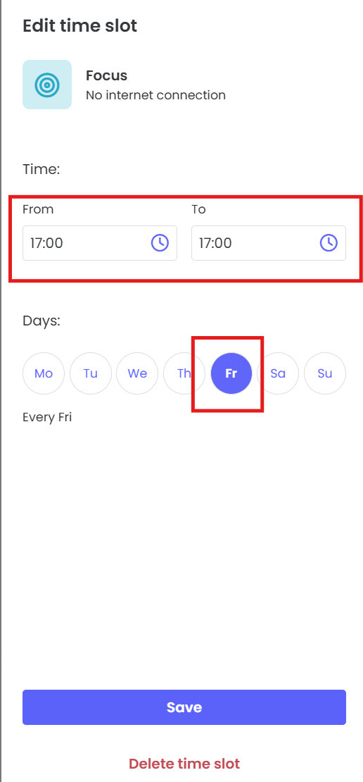
Title: [PROD] The parent is able to save routine when the Start Time == End Time
State | New
Priority | Medium
Severity | Medium
Reported by | Valeriia
Repro Steps | 1. Log in as a parent 2. Choose the child 3. Navigate to Rules => Routines 4. Click the Add routine button 5. Select any preset 6. Set start and end times with the same values (eg, 09:00) 7. Select only one day 8. Click Save 9. Open Schedule grid 10. Observe the created routine | 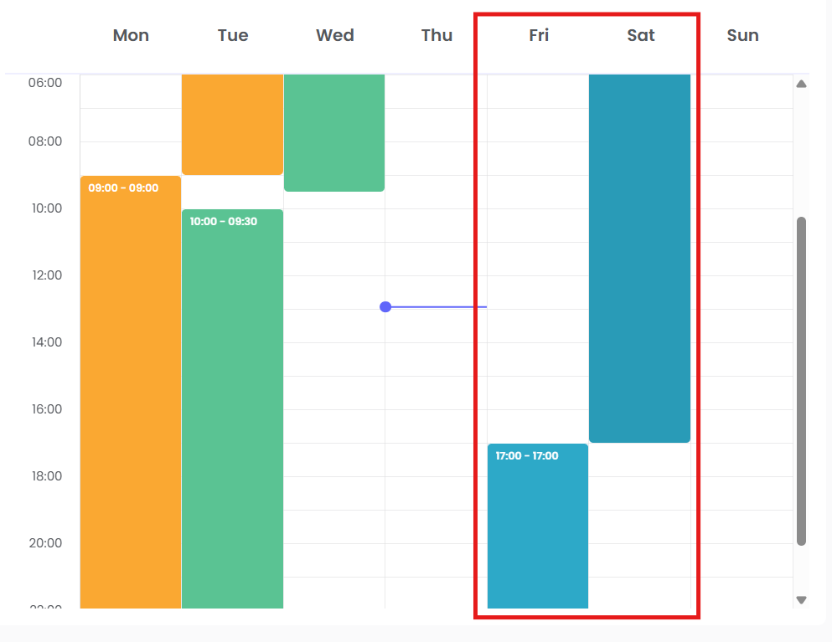
Expected results | Parent is not able to create a routine, or an error message like “Start and end time cannot be the same” is displayed. Save button is disabled
Actual results | Routine is saved Routine is applied for 24 hours UI does not provide warning or visual feedback
Found in Env | Production
Found in Build | 25.06

Bug 2
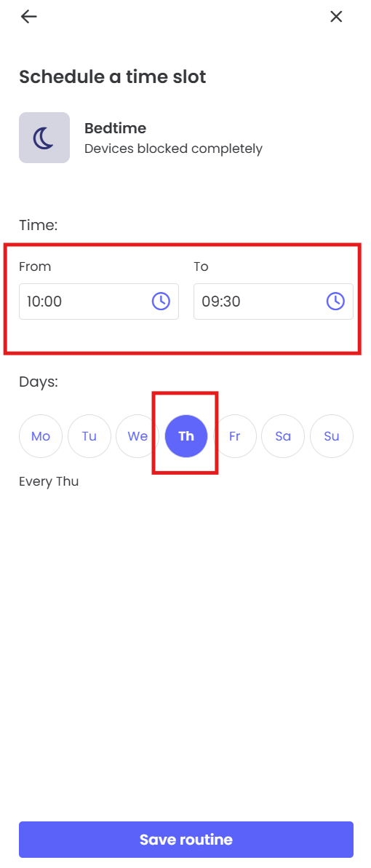
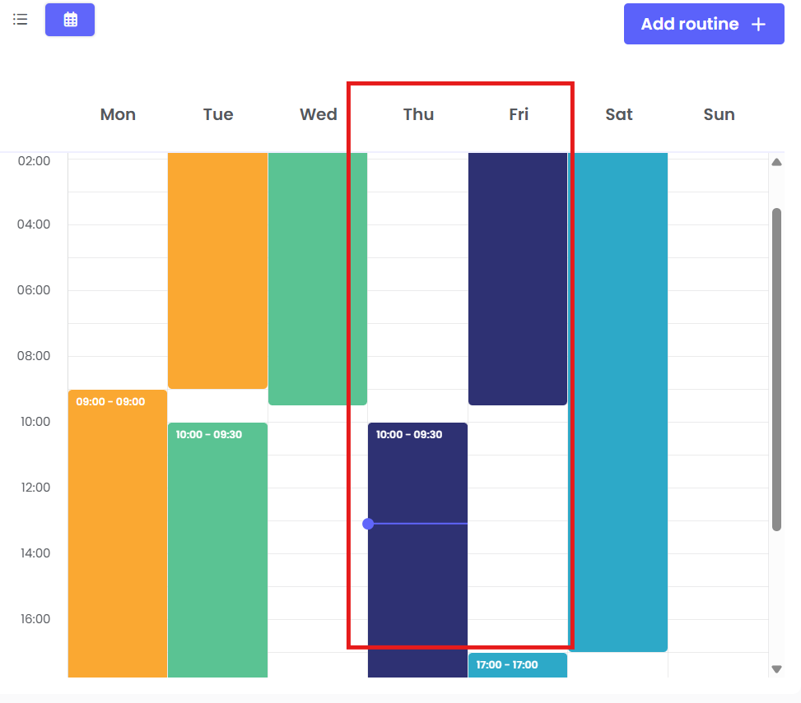
When the user selects only one day and End time ('To') < Start time ('From'), the system interprets this as an interval that rolls over midnight. However, this is not obvious to the user and can be confusing. There is no validation or error messages (eg. 'This routine will continue into next day') that the routine lasts more than 24 hours or "rolls over to the next day". So, let's consider it a bug and create a report.

Title: [PROD] The parent is able to save routine for one day when the End Time < Start Time
State | New
Priority | Medium
Severity | High
Reported by | Valeriia
Repro Steps | 1. Log in as a parent 2. Choose the child 3. Navigate to Rules => Routines 4. Click the Add routine button 5. Select any preset 6. Set start time > end time (eg, 10:00 and 09:30) 7. Select only one day 8. Click Save 9. Open Schedule greed 10. Observe the created routine
Expected results | Either an error message is displayed indicating an invalid time interval (e.g, "End time cannot be earlier than Start time for a single day"), or a tooltip/help message explains that the routine extends into the next day (and its duration exceeds 24 hours). UI can provide a clear visual indicator (eg, highlighting the time range in a different color or adding an icon) to help users quickly understand that the routine overlaps midnight.
Actual results | Routine is created and shows as lasting from 10:00 to 09:30 (next day), even if only one day was selected
Found in Env | Production
Found in Build | 25.06

